rec_adv
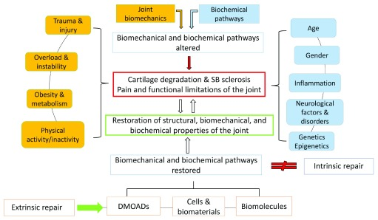
Figure Summary
A. Paper Citation and Link | Grässel, S., & Muschter, D. (2020). Recent advances in the treatment of osteoarthritis. F1000Research, 9, F1000 Faculty Rev-325. https://doi.org/10.12688/f1000research.22115.1
B. Figure : Number and Letter | 1
C. Caption : Clip and Paste | Figure 1. Intrinsic repair mechanisms are limited and therefore extrinsic repair support is required to restore or ameliorate joint function. DMOAD, disease-modifying osteoarthritis drug; SB, subchondral bone.
D. Figure Type :
.1. Schematic
..a. Subject | critical factors for the pathogenesis of OA
..b. Purpose | explain the factors causing degradation of the joint

OA04 table
WOMAC Pain Score
pain score
 | Week 5 | Week 17
placebo | -1.57 | -2.28
0.3 mg/kg | -2.24 | -2.79
1.0 mg/kg | -2.18 | -2.89
2.0 mg/kg | -2.43 | -3.08

WOMAC Physical Function Score
physical function score
 | Week 5 | Week 17
placebo | -1.16 | -1.84
0.3 mg/kg | -1.72 | -2.4
1.0 mg/kg | -1.81 | -2.49
2.0 mg/kg | -2.14 | -2.75

PGA
PGA
 | Week 5 | Week 17
placebo | -1.1 | -1.7
0.3 mg/kg | -1.7 | -2.3
1.0 mg/kg | -2.2 | -2.6
2.0 mg/kg | -2 | -2.8

study table
 | wk0 | wk8 | wk16
placebo | 2 | 7 | 11
PT | 2 | 8 | 13
tanezumab | 2 | 10 | 12
LEVI-04 | 2 | 10 | 16

estimated results

